10-Point
Value (x) | NO. | Aboslute value of (X-u) | COMMAND | X | Y
-0.012 | 1 | 0.1144 | G30 P0 X0 Y125 Z-99999 | 0 | 125
0.033 | 2 | 0.0694 | G30 P1 X108.24 Y62.5 Z-99999 | 108.24 | 62.5
0.082 | 3 | 0.0204 | G30 P2 X108.24 Y-62.5 Z-99999 | 108.24 | -62.5
0.056 | 4 | 0.0464 | G30 P3 X0 Y-125 Z-99999 | 0 | -125
0.340 | 5 | 0.2376 | G30 P4 X-108.24 Y-62.5 Z-99999 | -108.24 | -62.5
0.063 | 6 | 0.0394 | G30 P5 X-108.24 Y62.5 Z-99999 | -108.24 | 62.5
0.059 | 7 | 0.0434 | G30 P6 X0 Y62.5 Z-99999 | 0 | 62.5
0.410 | 8 | 0.3073 | G30 P7 X54.13 Y-31.25 Z-99999 | 54.13 | -31.25
-0.022 | 9 | 0.1244 | G30 P8 X-54.13 Y-31.25 Z-99999 | -54.13 | -31.25
0.015 | 10 | 0.0874 | G30 P9 X0 Y0 Z-99999 S-1 | 0 | 0

Sum of absolute value (X-u) |  | 1.090
Count (N) |  | 10
Mean (u) |  | 0.102
Deviation from Mean |  | 0.109
BLUE ↑

ORANGE ↓
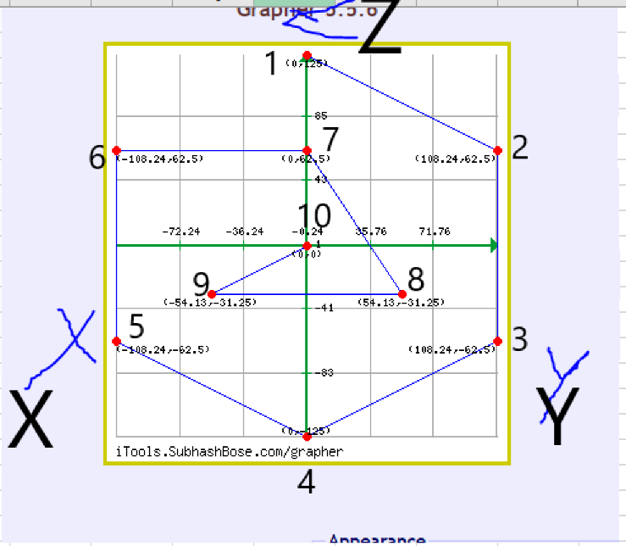
0.000 | 1 | 0.0000 | G30 P0 X0 Y125 Z-99999 | 0 | 125
0.000 | 2 | 0.0000 | G30 P1 X108.24 Y62.5 Z-99999 | 108.24 | 62.5
0.000 | 3 | 0.0000 | G30 P2 X108.24 Y-62.5 Z-99999 | 108.24 | -62.5
0.000 | 4 | 0.0000 | G30 P3 X0 Y-125 Z-99999 | 0 | -125
0.000 | 5 | 0.0000 | G30 P4 X-108.24 Y-62.5 Z-99999 | -108.24 | -62.5
0.000 | 6 | 0.0000 | G30 P5 X-108.24 Y62.5 Z-99999 | -108.24 | 62.5
0.000 | 7 | 0.0000 | G30 P6 X0 Y62.5 Z-99999 | 0 | 62.5
0.000 | 8 | 0.0000 | G30 P7 X54.13 Y-31.25 Z-99999 | 54.13 | -31.25
0.000 | 9 | 0.0000 | G30 P8 X-54.13 Y-31.25 Z-99999 | -54.13 | -31.25
0.000 | 10 | 0.0000 | G30 P9 X0 Y0 Z-99999 S-1 | 0 | 0

Sum of absolute value (X-u) |  | 0.000
Count (N) |  | 10
Mean (u) |  | 0.000
Deviation from Mean |  | 0.000

13-Point
Value (x) | NO. | Aboslute value of (X-u) | COMMAND | X | Y
0.038 | 1 | 0.024 | G30 P0 X-86.60 Y-50.00 Z-99999 ; X tower | -86.6 | -50
-0.007 | 2 | 0.021 | G30 P1 X0.00 Y-100.00 Z-99999 ; between X-Y towers | 0 | -100
0.011 | 3 | 0.003 | G30 P2 X86.60 Y-50.00 Z-99999 ; Y tower | 86.6 | -50
0.013 | 4 | 0.001 | G30 P3 X86.60 Y50.00 Z-99999 ; between Y-Z towers | 86.6 | 50
-0.009 | 5 | 0.023 | G30 P4 X0.00 Y100.00 Z-99999 ; Z tower | 0 | 100
0.019 | 6 | 0.005 | G30 P5 X-86.60 Y50.00 Z-99999 ; between Z-X towers | -86.6 | 50
0.004 | 7 | 0.01 | G30 P6 X-43.30 Y-25.00 Z-99999 ; X tower | -43.3 | -25
0.045 | 8 | 0.031 | G30 P7 X0.00 Y-50.00 Z-99999 ; between X-Y towers | 0 | -50
0.027 | 9 | 0.013 | G30 P8 X43.30 Y-25.00 Z-99999 ; Y tower | 43.3 | -25
-0.025 | 10 | 0.039 | G30 P9 X43.30 Y25.00 Z-99999 ; between Y-Z towers | 43.3 | 25
0.016 | 11 | 0.002 | G30 P10 X0.00 Y50.00 Z-99999 ; Z tower | 0 | 50
0.071 | 12 | 0.057 | G30 P11 X-43.30 Y25.00 Z-99999 ; between Z-X towers | -43.3 | 25
-0.021 | 13 | 0.035 | G30 P12 X0 Y0 Z-99999 ; center | 0 | 0

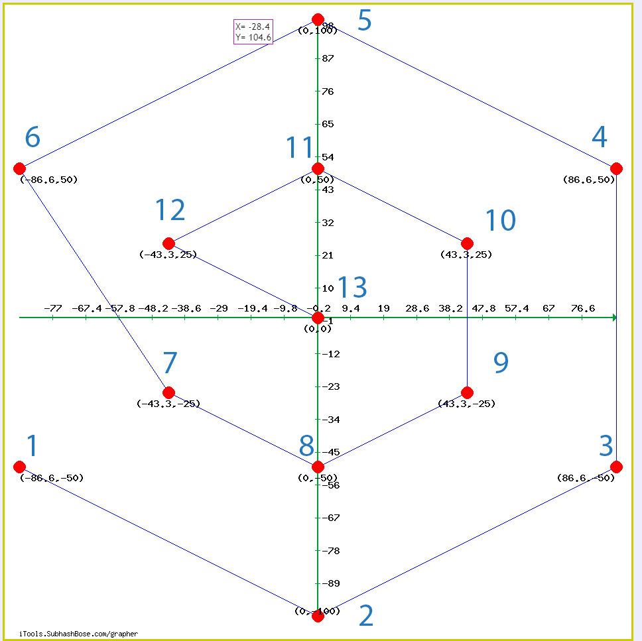
Sum of absolute value (X-u) |  | 0.264
Count (N) |  | 13
Mean (u) |  | 0.014
Deviation from Mean |  | 0.020307692308
BLUE ↑

ORANGE ↓
Value (x) | NO. | Aboslute value of (X-u) | COMMAND | X | Y
-0.012 | 1 | 0.091 | G30 P0 X-86.60 Y-50.00 Z-99999 ; X tower | -86.6 | -50
0.033 | 2 | 0.046 | G30 P1 X0.00 Y-100.00 Z-99999 ; between X-Y towers | 0 | -100
0.082 | 3 | 0.003 | G30 P2 X86.60 Y-50.00 Z-99999 ; Y tower | 86.6 | -50
0.056 | 4 | 0.023 | G30 P3 X86.60 Y50.00 Z-99999 ; between Y-Z towers | 86.6 | 50
0.340 | 5 | 0.261 | G30 P4 X0.00 Y100.00 Z-99999 ; Z tower | 0 | 100
0.063 | 6 | 0.016 | G30 P5 X-86.60 Y50.00 Z-99999 ; between Z-X towers | -86.6 | 50
0.059 | 7 | 0.020 | G30 P6 X-43.30 Y-25.00 Z-99999 ; X tower | -43.3 | -25
0.410 | 8 | 0.330 | G30 P7 X0.00 Y-50.00 Z-99999 ; between X-Y towers | 0 | -50
-0.022 | 9 | 0.101 | G30 P8 X43.30 Y-25.00 Z-99999 ; Y tower | 43.3 | -25
0.015 | 10 | 0.064 | G30 P9 X43.30 Y25.00 Z-99999 ; between Y-Z towers | 43.3 | 25
-0.001 | 11 | 0.080 | G30 P10 X0.00 Y50.00 Z-99999 ; Z tower | 0 | 50
-0.03 | 12 | 0.109 | G30 P11 X-43.30 Y25.00 Z-99999 ; between Z-X towers | -43.3 | 25
0.04 | 13 | 0.039 | G30 P12 X0 Y0 Z-99999 ; center | 0 | 0

Sum of absolute value (X-u) |  | 1.1867692308
Count (N) |  | 13
Mean (u) |  | 0.079438461538
Deviation from Mean |  | 0.091289940828

