Sheet1
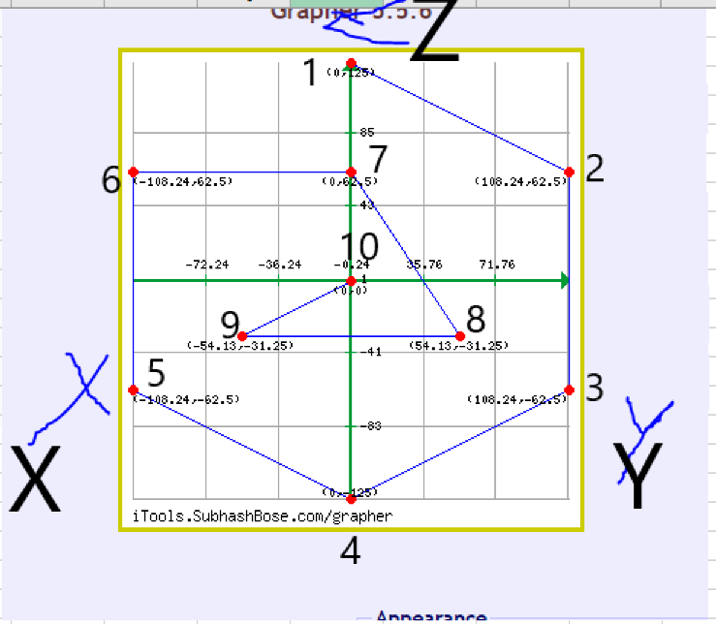
Value (x) | NO. | Aboslute value of (X-u) | COMMAND | X | Y
0.026 | 1 | 0.0354 | G30 P0 X0 Y125 Z-99999 | 0 | 125
-0.052 | 2 | 0.0426 | G30 P1 X108.24 Y62.5 Z-99999 | 108.24 | 62.5
0.041 | 3 | 0.0504 | G30 P2 X108.24 Y-62.5 Z-99999 | 108.24 | -62.5
-0.05 | 4 | 0.0406 | G30 P3 X0 Y-125 Z-99999 | 0 | -125
0.02 | 5 | 0.0294 | G30 P4 X-108.24 Y-62.5 Z-99999 | -108.24 | -62.5
-0.062 | 6 | 0.0526 | G30 P5 X-108.24 Y62.5 Z-99999 | -108.24 | 62.5
0.003 | 7 | 0.0124 | G30 P6 X0 Y62.5 Z-99999 | 0 | 62.5
-0.036 | 8 | 0.0266 | G30 P7 X54.13 Y-31.25 Z-99999 | 54.13 | -31.25
0.02 | 9 | 0.0294 | G30 P8 X-54.13 Y-31.25 Z-99999 | -54.13 | -31.25
-0.004 | 10 | 0.0054 | G30 P9 X0 Y0 Z-99999 S-1 | 0 | 0

Sum of absolute value (X-u) |  | 0.3248
Count (N) |  | 10
Mean (u) |  | -0.0094
Deviation from Mean |  | 0.03248
BLUE ↑

ORANGE ↓

0 | 1 | 0.0084 | G30 P0 X0 Y125 Z-99999 | 0 | 125
-0.018 | 2 | 0.0096 | G30 P1 X108.24 Y62.5 Z-99999 | 108.24 | 62.5
0.037 | 3 | 0.0454 | G30 P2 X108.24 Y-62.5 Z-99999 | 108.24 | -62.5
-0.06 | 4 | 0.0516 | G30 P3 X0 Y-125 Z-99999 | 0 | -125
0.032 | 5 | 0.0404 | G30 P4 X-108.24 Y-62.5 Z-99999 | -108.24 | -62.5
-0.04 | 6 | 0.0316 | G30 P5 X-108.24 Y62.5 Z-99999 | -108.24 | 62.5
0.002 | 7 | 0.0104 | G30 P6 X0 Y62.5 Z-99999 | 0 | 62.5
-0.033 | 8 | 0.0246 | G30 P7 X54.13 Y-31.25 Z-99999 | 54.13 | -31.25
0.021 | 9 | 0.0294 | G30 P8 X-54.13 Y-31.25 Z-99999 | -54.13 | -31.25
-0.025 | 10 | 0.0166 | G30 P9 X0 Y0 Z-99999 S-1 | 0 | 0

Sum of absolute value (X-u) |  | 0.268
Count (N) |  | 10
Mean (u) |  | -0.0084
Deviation from Mean |  | 0.0268

